Sheet3
Top 3 of the most similar influencers to "Beyonce"
Influencers | Similarity Score
"Zoe Saldana" | 0.869546415
"Pharrell Williams" | 0.86557238352
"BlackPink" | 0.86326679413

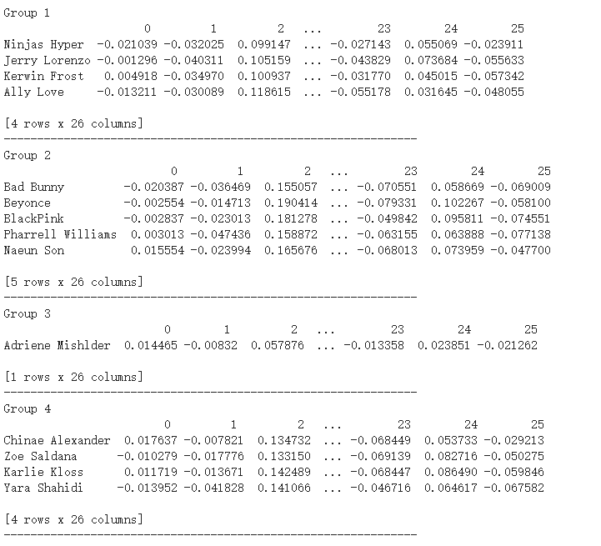
Top 3 of the most similar influencers to "Pharrell Williams"
Influencers | Similarity Score
"Beyonce" | 0.865572384
"Jerry Lorenzo" | 0.85614194298
"Bad Bunny" | 0.83499153547

K-means Clustering with k = 4
Groups | Influencers
Group 1 | Ninjas Hyper
 | Jerry Lorenzo
 | Kerwin Frost
 | Ally Love
Group 2 | Bad Bunny
 | Beyonce
 | BlackPink
 | Pharrell Williams
 | Naeun Son
Group 3 | Adriene Mishler
Group 4 | Chinae Alexander
 | Zoe Saldana
 | Karlie Kloss
 | Yara Shahidi

Sheet4
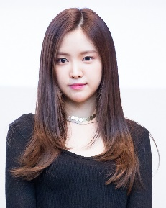
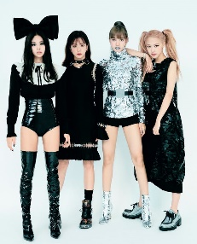

Product A
Product B
Product C

